List
No. | CUS. REFERENCE | PICTURE | TYPE | STONES/COMPONENTS | MAT | FINITION | SIZE | SMV ITEM CODE | Selling price estimation (Round 1) | Development fees | RISIS SKU | RISIS SKU | DESC | QTY
1 | DV2024_223 | 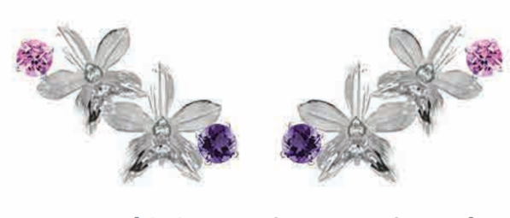 | Earring | 3mm round faceted amethyst (x2) 3mm round faceted rhodolite (x2) | 925 | Rhodium |  | BO636082+51RH | $26.94 | $90.00 | TR061461 | R5ASACU1 | ER ASC AMETH RHODLT RH | 30 | 22
2 | DV2024_224 | 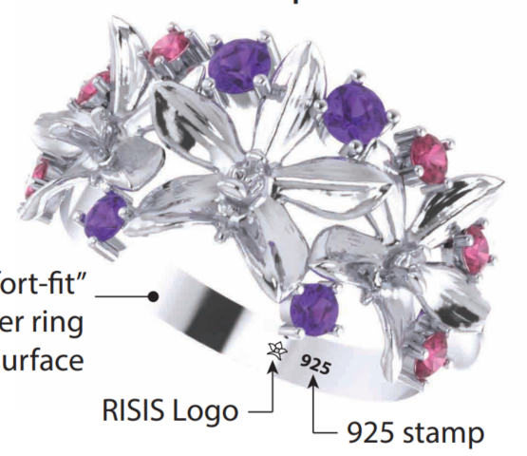 | Ring | 2.5mm round faceted amethyst (x2) 2mm round faceted rhodolitet (x2) | 925 | Rhodium | US6 | BG636101+51RH | $30.00 | $90.00 | TR061462 | R8ASA6U1 | RG ASC AMETH RHODLT 6 RH | 30 | 24
2 | DV2024_224 |  | Ring | 2.5mm round faceted amethyst (x2) 2mm round faceted rhodolitet (x2) | 925 | Rhodium | US7 | BG636102+51RH | $30.00 | $90.00 | TR061463 | R8ASA7U1 | RG ASC AMETH RHODLT 7 RH | 30 | 24

